Specification for adding tools
Specification for adding new tools to the toolkit through the developed prototype
1. Overview
To support scalability and adaptability, the TS-ReAct IIN recovery agents are designed to allow for the continuous addition of new tools. These tools can be independently developed and made usable by agents through a two-stage approach.
2 Building agent-compatible tools
2.1 Reproducing the tool function based on Python code
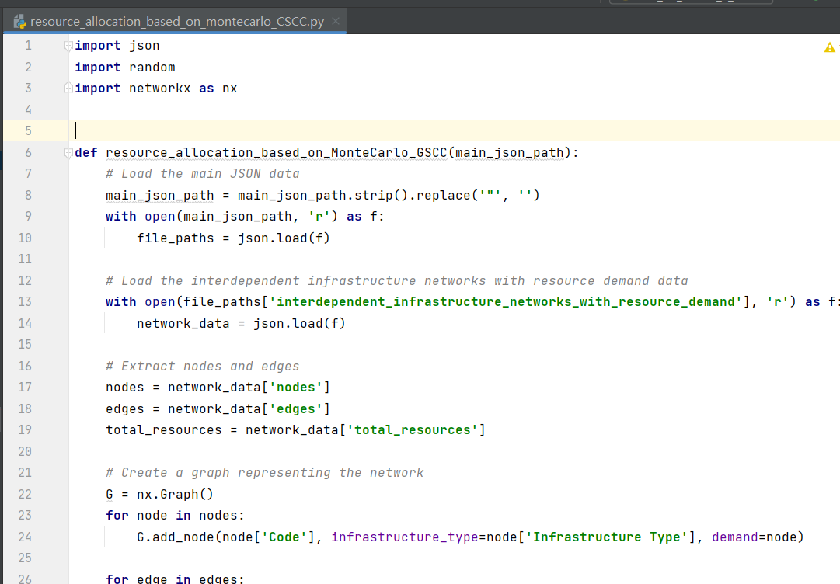
2.2 Designing the tool description
The four-element semi-structured description | Purpose: The purpose element concisely states the tool’s aim.
 | Input and Output: The input and output elements specify the associated files. Notably, given that current agents can only parse information in simple text formats, the input and output of IIN recovery involve diverse complex file types (e.g., shapefiles and network files). To address this, the authors use file paths as the input and output representation. Additionally, due to the large number of files involved, a centralized “Global_Data” JSON file could be created to store all path information of the input and output files, making the process of invoking tools by the agents easier to parse (Sypherd & Belle, 2024; Yuan et al., 2024).
 | Effect: The effect element in the tool description explains the results obtained from operating the tool, which guides the agents in generating observations after executing tools.
3 Updating the toolkit through the prototype
3.1 Fill in the path of tool function
3.2 Fill in the tool description
3.3 Upload the updated tool graph
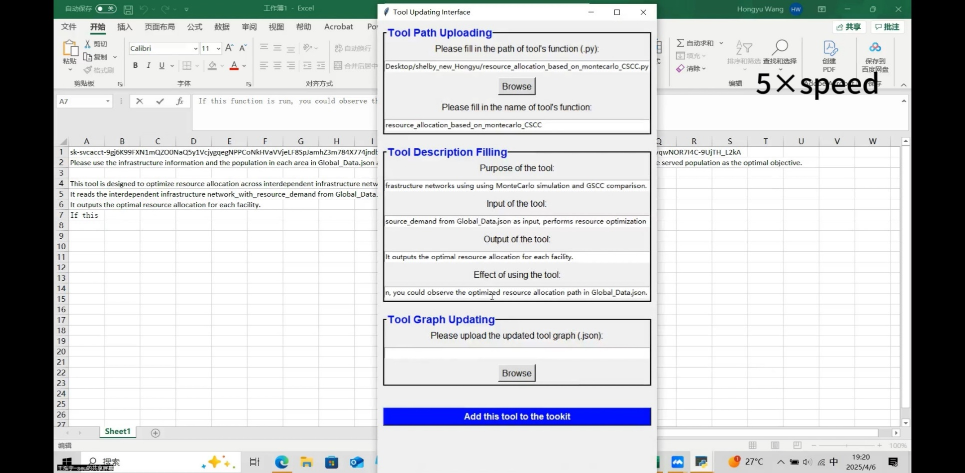
The tool has been decorated and added to the tool kit

